Indices

 | Iraq Stock Exchange
 | Bulletin No (173)

 | ISX Trading Indices of Tuesday 30/9/2025

 | Traded Volume and OTC |  | 482,394,644 |  | Traded Value and OTC |  | 357,730,289 |  | Traders | 641

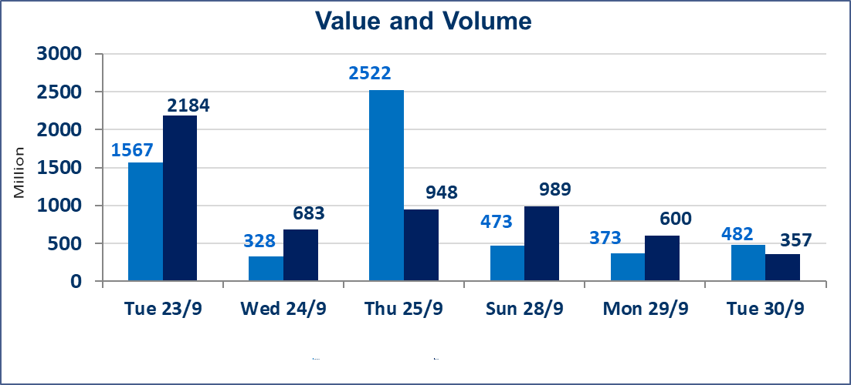
 | ISX Index 60 |  |  | 963.39 | ISX Index 15 |  |  | 1126.79
 | Previous ISX Index60 |  |  | 962.34 | Previous ISX Index15 |  |  | 1128.45
 | Change % |  |  | 0.11 | Change % |  |  | -0.15
 | Change |  |  | 1.05 | Change |  |  | -1.66

 | Listed Companies | 104 | OTC | 11 | Non Traded listed | 32 | OTC | 9
 | Traded Listed Companies | 51 | OTC | 1 | Higher Companies |  |  | 12
 | GAM Companies |  |  | 11 | Lower Companies |  |  | 18
 | Suspended Companies |  |  | 10
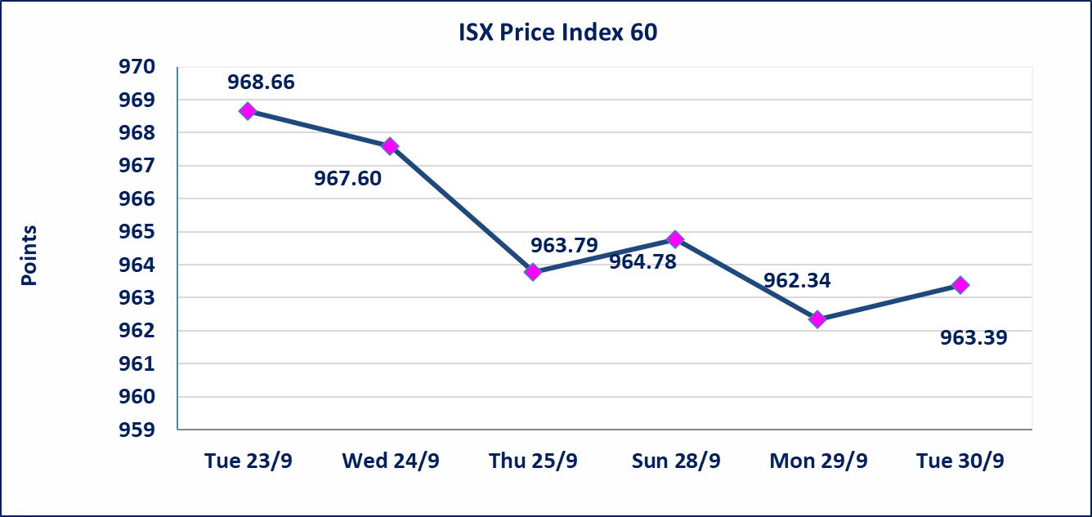
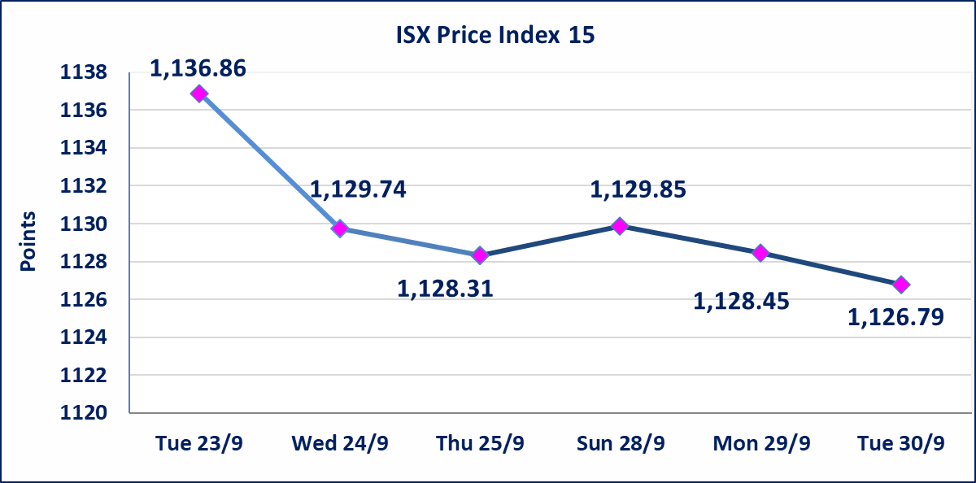

Al-Alwiya P.O . 3607 Mobile: 07711211522 - 07270094594 - 07834000034 E-mail: info-isx@isx-iq.net Web site:www.isx-iq.net

Top 5
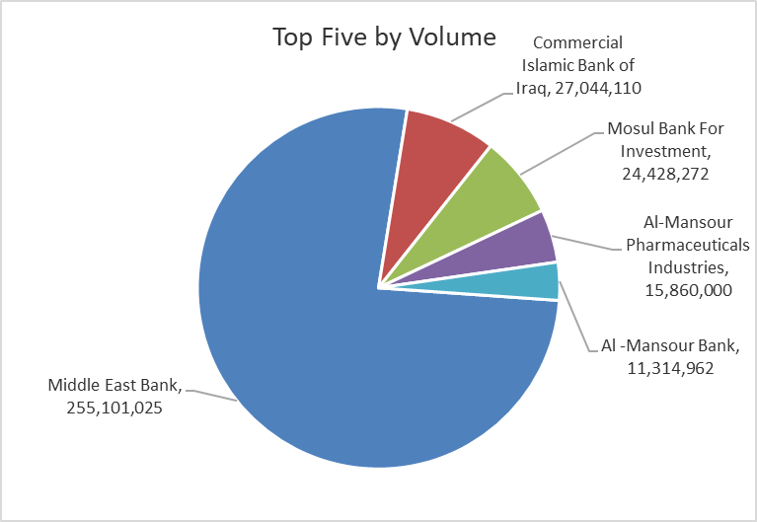
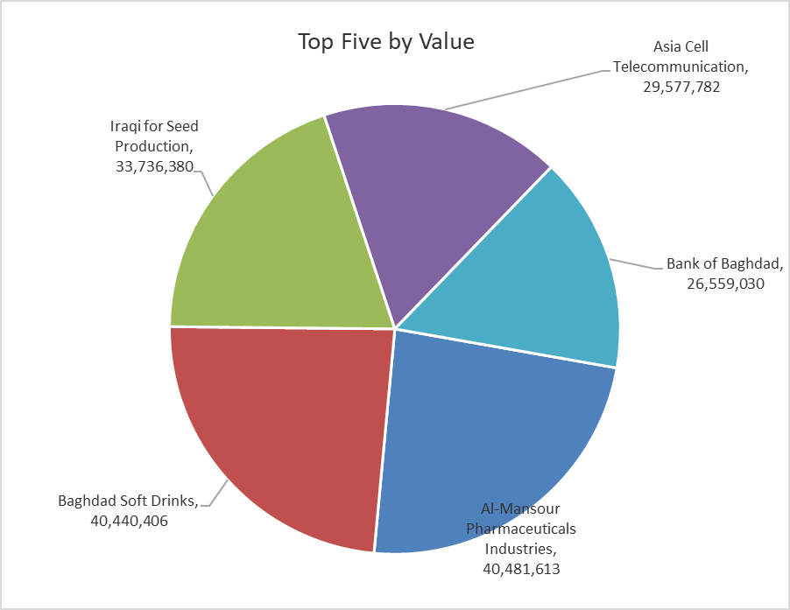
ISX top ganing and losing companies
Tuesday 30/9/2025
Gainers |  |  |  | Losers
Company Name | Closing Price | Change (%) | Traded Volume | Company Name | Closing Price | Change (%) | Traded Volume
National Furniture Industries | 1.320 | 20.00 | 5,000 | Iraqi Carton Manufactories | 1.150 | -8.00 | 1,602,621
Middle East Bank | 0.070 | 16.67 | 255,101,025 | Kurdistan International Bank | 1.000 | -7.41 | 1,100,000
Al-Ameen for Financial Investment | 1.200 | 16.50 | 3,000 | Mosul Bank For Investment | 0.160 | -5.88 | 24,428,272
Palestine Hotel | 26.780 | 4.98 | 730,226 | Metallic Industries and Bicycles | 2.050 | -4.65 | 10,000
Investment Bank of Iraq | 0.220 | 4.76 | 4,565,000 | Al-Sadeer Hotel | 23.000 | -4.17 | 2,000

The most active companies in term of traded volume and value

Traded Volume |  |  |  | Traded Value
Company Name | Closing Price | Change (%) | Traded Volume | Company Name | Closing Price | Change (%) | Traded Value
Middle East Bank | 0.070 | 16.67 | 255,101,025 | Al-Mansour Pharmaceuticals Industries | 2.570 | 0.39 | 40,481,613
Commercial Islamic Bank of Iraq | 0.770 | 0.00 | 27,044,110 | Baghdad Soft Drinks | 4.690 | -0.21 | 40,440,406
Mosul Bank For Investment | 0.160 | -5.88 | 24,428,272 | Iraqi for Seed Production | 5.770 | -0.17 | 33,736,380
Al-Mansour Pharmaceuticals Industries | 2.570 | 0.39 | 15,860,000 | Asia Cell Telecommunication | 12.050 | 0.00 | 29,577,782
Al -Mansour Bank | 2.070 | 0.00 | 11,314,962 | Bank of Baghdad | 3.620 | 0.00 | 26,559,030

Non Iraqis

Iraq Stock Exchange
Non Iraqis' Bulletin Tuesday Sept 30 2025
Regular Market

Non Iraqi Trading of Regular Market (Buy)
Company Names | Code | No.of trades | Traded Shares | Trading Volume
Telecommunication Sector
Asia cell | TASC | 1 | 57,500 | 692,875
Total Telecommunication sector |  | 1 | 57,500 | 692,875
Grand Total |  | 1 | 57500 | 692875

Non Iraqi Trading of Regular Market (Sell)
Company Names | Code | No.of trades | Traded Shares | Trading Volume
Services Sector
Iraq Baghdad For General Transportation | SBPT | 6 | 13,456 | 437,320
Total Services sector |  | 6 | 13,456 | 437,320
Grand Total |  | 6 | 13456 | 437320

Non Iraqi Trading of Second Market (Sell)
Company Names | Code | No.of trades | Traded Shares | Trading Volume
Industry sector
Fallujah for Construction Materials | IFCM | 2 | 5,000,000 | 15,850,000
House Household furniture | IHFI | 1 | 5,000 | 6,600
Total Industry sector |  | 3 | 5,005,000 | 15,856,600
Grand Total |  | 3 | 5005000 | 15856600

